Introduction
NOVEMBER 2020
PEPFAR Strategic Information
Capacity Assessment (PSICA) Tool

Purpose: The PEPFAR Strategic Information Capacity Assessment (PSICA) outlines best practice standards for the management of PEPFAR strategic information. This assessment tool is intended for use understanding the capacity strengths and needs of local PEPFAR partners. It is not intended to be used as an audit or a fault-finding tool. USAID’s Office of HIV/AIDS (OHA) understands that PEPFAR’s strategic information demands are substantial and seeks to better support local organizations. The tool can be used by organizations as a self-assessment tool or by USAID, PEPFAR, or their partners to assess the capacity of new partners. It can also be used by those transitioning to PEPFAR prime partnership to identify areas for capacity development support. Description: The PSICA tool is composed of four domains: (1) Human Capacity for PEPFAR Strategic Information; (2) Organizational Processes for PEPFAR Strategic Information; (3) Technology, Infrastructure, and Systems for PEPFAR Strategic Information; and (4) PEPFAR Data Quality and Use. Each domain contains a set of sub-domains that are scored through answering three to six performance expectations. There are a total of 54 performance expectations.
Acknowledgments: The PSICA tool was developed by Data.FI, a USAID/OHA central mechanism, Cooperative Agreement No. 7200AA19CA0004, and is based on a resource developed by the OHA Strategic Information, Evaluation and Informatics (SIEI) Division. Substantial contributions to this tool were made by: Ana Djapovic Scholl and Josephine Mungurere-Baker (both of OHA's SIEI Division); Jessica Posner, Caitlin Madevu-Matson, Rebecca Furth, Kolawole Oyediran, and Peteria Chan (of Data.FI, John Snow, Inc), and Nena do Nascimento (of Data.FI, Palladium).

TL-20-3 FINAL

Data for Implementation (Data.FI) is a five-year cooperative agreement funded by PEPFAR through USAID under Agreement No. 7200AA19CA0004, beginning April 15, 2019. It is implemented by Palladium, in partnership with JSI Research & Training Institute, Johns Hopkins University Department of Epidemiology, Right to Care, Cooper/Smith, IMC Worldwide, Jembi Health Systems, and macro-eyes, and supported by expert local resource partners.
This tool was produced for review by the U.S. President’s Emergency Plan for AIDS Relief through the United States Agency for International Development. It was prepared by Data for Implementation. The information provided in this tool is not official U.S. government information and does not necessarily reflect the views or positions of the U.S. President’s Emergency Plan for AIDS Relief, U.S. Agency for International Development or the United States Government.
FOR MORE INFORMATION
Contact Data.FI at datafiproject@thepalladiumgroup.com, or:
Emily Harris, Data.FI AOR
emharris@usaid.gov
Jenifer Chapman, Data.FI Project Director
jenifer.chapman@thepalladiumgroup.com

https://datafi.thepalladiumgroup.com/

Scoring Framework
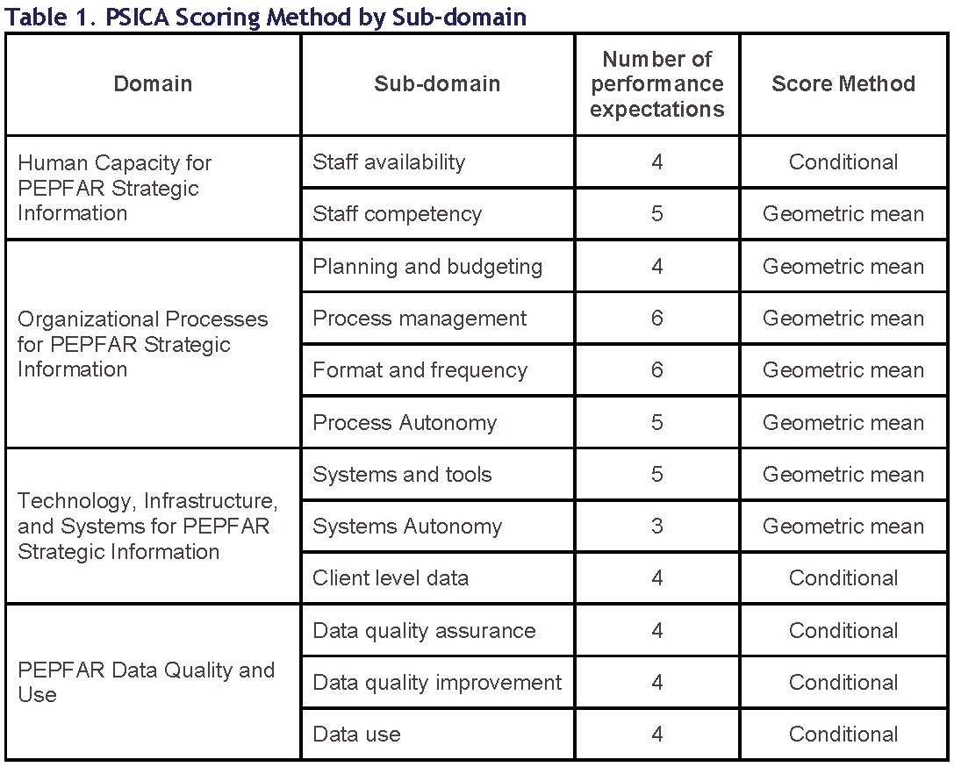
PSICA Scoring Framework
In the PEPFAR Strategic Information Competency Assessment (PSICA) summary sheet, each capacity sub-domain is assigned an ordinal score based on the capacity of the organization, ranging from 1 to 4.
- 1 represents inadequate capacity, where there are key deficiencies and significant weaknesses
- 2 represents weak capacity, where there are some deficiencies and significant weaknesses
- 3 represents adequate capacity, where there are no deficiencies
- 4 represents strong capacity, where there are no deficiencies or significant weaknesses
Building on benchmarking approaches previously used by JSI for capacity assessment, ^{1,2,3,4} this Data.FI tool anchors the best practice standard in discrete performance expectations that are linked back to the ordinal scores. The response options for all performance expectations in the PSICA are structured with a similar ordinal nature, and have either two options (4/Yes or 1/No) or four options (4/All, 3/Most, 2/Some, 1/None)., Based on responses to the performance expectations, the sub-domain scores are calculated in one of two ways depending on the sub-domain (Table 1). For most sub-domains, the performance expectations all contribute equally to progression into higher categories; for these, the geometric mean of all responses will be calculated and rounded down to the nearest whole number. For other sub-domains, specific conditions need to be met for progression into higher categories, requiring assessment of specific response combinations against a framework of conditional tests.
1. John Snow Inc. (2014). Organizational Capacity Assessment Tool: Participant’s Copy. Boston, MA, USA: JSI.
2. John Snow Inc. (2012). Organizational Capacity Assessment for Community Based Organizations. Boston, MA, USA: JSI
3. John Snow Inc. (2020). Tuberculosis Implementation Framework Agreement (TIFA) Pre-Award Assessment. Boston, MA: JSI
4. Initiatives Inc. (2015). District AIDS Task Force Performance Assessment and Certification Standards. Boston, MA, USA: Initiatives Inc. and JSI
Please contact Data.FI at datafiproject@thepalladiumgroup.com for more information on the PSICA tool.

